Sheet1
CO2 radiatve forcing (RF) calculations from TAR Table 6.2
The IPCC's Third Assessment Report ("TAR") WG1 Table 6.2 gave three alternative formuli for radiative forcing from CO2.
In this spreadsheet you can adjust the C₀ and C values to see the calculated estimates of RF from a change in CO2 level:

C₀ = | 370 | ppmv | (starting CO2 concentration)
C = | 740 | ppmv | (ending CO2 concentration)

RF = 5.35⋅ln(C/C₀) |  | 3.70834 | W/m²

RF = 4.841⋅ln(C/C₀) + 0.0906⋅(√C - √C₀) |  | 4.07739 | W/m²

RF = 3.35⋅(g(C)-g(C₀)) |  | 4.19106 | W/m²
where g(C) = ln(1 + 1.2 × C + 0.005 × C² + 1.4E-6 × C³)

Source:
https://web.archive.org/web/20020620075952/https://www.grida.no/climate/ipcc_tar/wg1/222.htm
or:
https://archive.ipcc.ch/ipccreports/tar/wg1/222.htm
or:
https://archive.ipcc.ch/ipccreports/tar/wg1/pdf/TAR-06.PDF#page=10
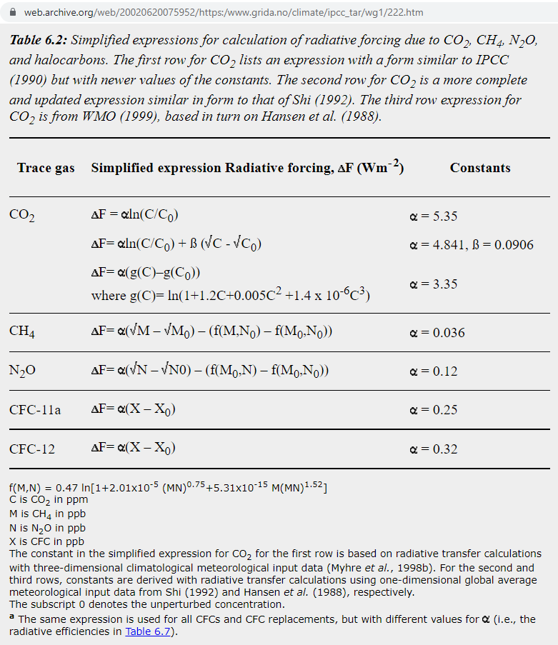

Dave Burton
https://sealevel.info/
2023-06-18

